AS-BUILT vs DESIGN
LLAMAS Prototype Blue Camera optics -- Design vs. As-Built comparison |  |  |  |  |  |  |  |  | these fields have different units (um instead of fringes for irregularity of ASPheres; fringes of power for radius instead of mm)
 |  |  |  |  |  |  |  |  | these fields are out of the proposed tolerance range
 |  |  |  |  |  |  |  |  |  |  |  |  |  |  |  |  |  | STAT
 |  | L1 - fr. ASP | L1 - rea PL | L2 - front | L2 - rear | L3 - front | L3 - rear | L4 - front | L4 - rear PL | L5 - fr. PL | L5 - rear | L6 - front | L6 - rear | L7 - front | L7 - rear PL | L8 - front | L8 - rea ASP
Radius [mm] | nominal | 110.446 | 6.000 | 91.221 | 177.446 | 512.670 | 100.957 | 84.970 | 6.000 | 6.000 | 153.566 | 111.392 | 108.689 | 108.689 | 6.000 | 304.071 | 67.687 | SP rad AVE | SP rad RMS | PL rad AVE | PL rad RMS
 | as-built | 110.446 | 0.796 | 91.225 | 177.491 | 512.520 | 100.952 | 84.975 | 3.784 | 0.567 | 153.578 | 111.398 | 108.699 | 108.671 | 1.263 | 303.973 | 67.687 |  |  | 1.6 | 1.5 | [fr]
 | diff. | 0.000 | 5.204 | 0.004 | 0.045 | -0.150 | -0.005 | 0.005 | 2.216 | 5.433 | 0.012 | 0.006 | 0.010 | -0.018 | 4.737 | -0.098 | 0.000 | -0.002% | 0.018% |  |  | [%]
Irregularity [fr] | nominal | 1.000 | 0.750 | 0.750 | 0.750 | 0.750 | 0.750 | 0.750 | 0.750 | 0.750 | 0.750 | 0.750 | 0.750 | 0.750 | 0.750 | 0.750 | 1.000 | SP irr AVE | SP irr RMS | ASP irr AVE | ASP irr RMS
 | as-built | 0.783 | 0.382 | 0.549 | 0.364 | 0.296 | 0.213 | 0.177 | 0.235 | 0.236 | 0.353 | 0.269 | 0.409 | 0.175 | 0.387 | 0.571 | 1.035 | 0.3 | 0.1 | 0.9 | 0.2 | [fr]
 | margin | 0.217 | 0.368 | 0.201 | 0.386 | 0.454 | 0.537 | 0.573 | 0.515 | 0.514 | 0.397 | 0.481 | 0.341 | 0.575 | 0.363 | 0.179 | -0.035
Roughness [A] | nominal | 10.000 | 10.000 | 10.000 | 10.000 | 10.000 | 10.000 | 10.000 | 10.000 | 10.000 | 10.000 | 10.000 | 10.000 | 10.000 | 10.000 | 10.000 | 10.000 | SP rough AVE | SP rough RMS | ASP rough AVE | ASP rough RMS
 | as-built | 8.036 | 4.248 | 4.266 | 3.493 | 4.682 | 4.146 | 3.656 | 3.900 | 4.565 | 7.140 | 4.591 | 5.349 | 3.351 | 4.008 | 5.290 | 5.248 | 4.5 | 1.0 | 6.6 | 2.0 | [A]
 | margin | 1.964 | 5.752 | 5.734 | 6.507 | 5.318 | 5.854 | 6.344 | 6.100 | 5.435 | 2.860 | 5.409 | 4.651 | 6.649 | 5.992 | 4.710 | 4.752
Central Thick. [mm] | nominal | 10.000 |  | 4.000 |  | 20.000 |  | 25.000 |  | 5.000 |  | 8.000 |  | 24.000 |  | 6.000
 | as-built | 10.069 |  | 4.064 |  | 20.077 |  | 25.032 |  | 5.053 |  | 8.074 |  | 24.075 |  | 6.055 |  | AVE | RMS
 | diff. | 0.069 |  | 0.064 |  | 0.077 |  | 0.032 |  | 0.053 |  | 0.074 |  | 0.075 |  | 0.055 |  | 0.062 | 0.015 | [mm]
Diameter [mm] | nominal | 70.000 |  | 70.000 |  | 98.000 |  | 94.900 |  | 95.000 |  | 69.900 |  | 70.000 |  | 60.000
 | as-built | 70.000 |  | 70.009 |  | 98.002 |  | 94.900 |  | 95.003 |  | 69.010 |  | 70.014 |  | 60.012 |  | AVE | RMS
 | diff. | 0.000 |  | 0.009 |  | 0.002 |  | 0.000 |  | 0.003 |  | -0.890 |  | 0.014 |  | 0.012 |  | 0.006 | 0.006 | [mm]
EDT [mm] | nominal | 0.010 |  | 0.010 |  | 0.010 |  | 0.010 |  | 0.010 |  | 0.010 |  | 0.010 |  | 0.010 |  | AVE | RMS
 | as-built | 0.004 |  | 0.002 |  | 0.001 |  | 0.006 |  | 0.005 |  | 0.005 |  | 0.006 |  | 0.003 |  | 0.004 | 0.002 | [mm]
 | margin | 0.006 |  | 0.008 |  | 0.009 |  | 0.004 |  | 0.005 |  | 0.005 |  | 0.004 |  | -0.007
SAG [mm] if applicable | nominal | n/a | n/a | 6.178 | n/a |  | n/a | n/a | n/a | n/a | 6.000 |  | n/a |  | n/a | 1.029 | 4.200
 | as-built | n/a | n/a | 6.182 | n/a |  | n/a | n/a | n/a | n/a | 6.080 |  | n/a |  | n/a | 1.036 | 4.273 | AVE | RMS
 | diff. |  |  | 0.004 |  |  |  |  |  |  | 0.080 |  |  |  |  | 0.007 | 0.073 | 0.041 | 0.043 | [mm]
OAH [mm] if applicable | nominal | n/a |  | n/a |  | 17.000 |  | n/a |  | 11.000 |  | n/a |  | n/a |  | 11.230
 | as-built | n/a |  | n/a |  | 17.007 |  | n/a |  | 11.133 |  | n/a |  | n/a |  | 11.364
 | diff. |  |  |  |  | 0.007 |  |  |  | 0.133 |  |  |  |  |  | 0.134
SFRO [mm] (Surface to Flat RunOut) | nominal | 0.010 | n/a | n/a | 0.020 | n/a | 0.020 | 0.010 | n/a | n/a | 0.020 | n/a | n/a | 0.010 | n/a | n/a | 0.020 | AVE | RMS
 | as-built | 0.004 | n/a | n/a | 0.002 | n/a | 0.002 | 0.006 | n/a | n/a | 0.004 | n/a | n/a | 0.006 | n/a | n/a | 0.003 | 0.004 | 0.002 | [mm]
 | margin | 0.006 |  |  | 0.018 |  | 0.018 | 0.004 |  |  | 0.016 |  |  | 0.004 |  |  | 0.017
PV max/min [fringes] FRONT | max/min | 0.389 | -0.394 | 0.363 | -0.186 | 0.138 | -0.158 | 0.0905 | -0.0867 | 0.1064 | -0.1294 | 0.0811 | -0.1878 | 0.0879 | -0.1068 | 0.4035 | -0.1678
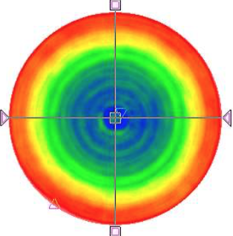
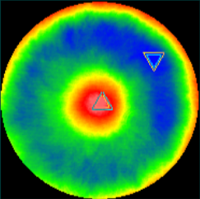
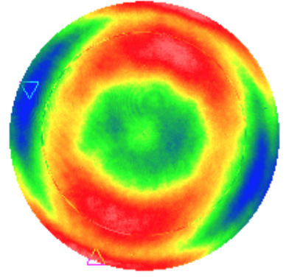
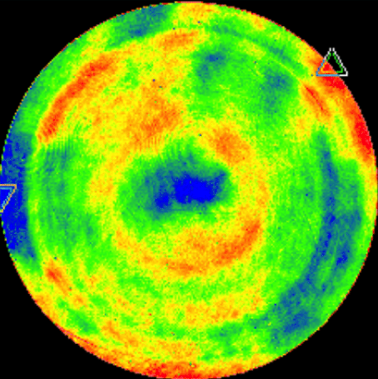
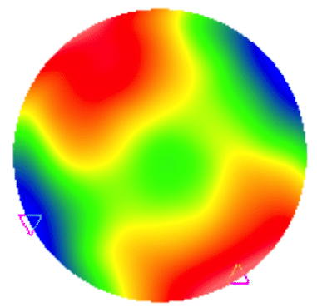
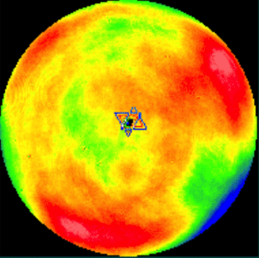
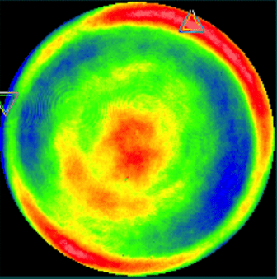
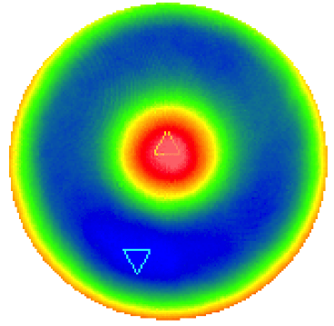

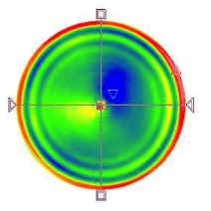
PV max/min [fringes] REAR | max/min | 0.213 | -0.169 | 0.198 | -0.166 | 0.091 | -0.123 | 0.080 | -0.155 | 0.225 | 0.128 | 0.272 | 0.136 | 0.117 | 0.271 | 2.086 | -1.184
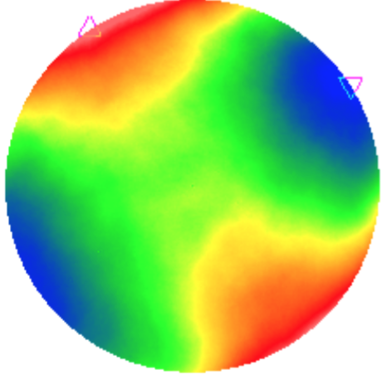
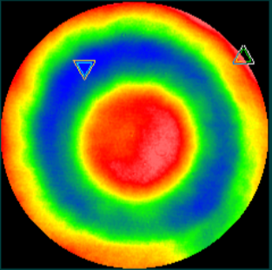
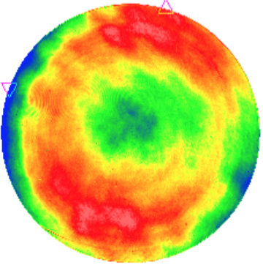
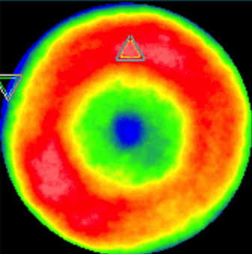
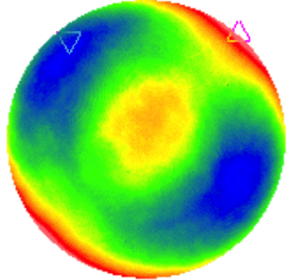
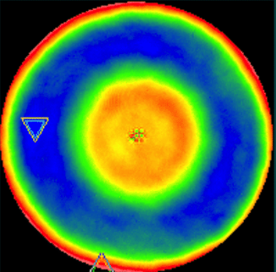
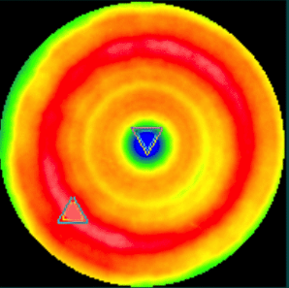

Mid-Spatial max/min [um] for Asphere, and RMS value [um] | max/min | 0.131 | -0.119 |  |  |  |  |  |  |  |  |  |  |  |  | 1.2377 | -0.9637
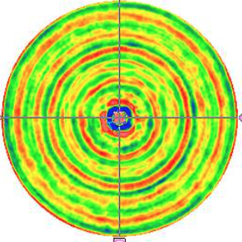
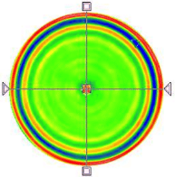

 | RMS | 0.029 |  |  |  |  |  |  |  |  |  |  |  |  |  | 0.162
Coating Run # |  | H-2677C | H-2681C | H-2666C | H-2671C | H-2677C | H-2681C | H-2677C | n/a | n/a | H-2666C | H-2675C | n/a | n/a | H-2677C | H-2677C | H-2681C | SUM | overall AR coating performance (all coated surfaces)
Coating Perfroamnce: Reflection [%] | 340 | 1.64% | 1.63% | 1.10% | 1.38% | 1.64% | 1.63% | 1.64% |  |  | 1.10% | 1.55% |  |  | 1.64% | 1.64% | 1.63% | 83.2%
 | 360 | 0.40% | 0.45% | 0.05% | 0.14% | 0.40% | 0.45% | 0.40% |  |  | 0.05% | 0.28% |  |  | 0.40% | 0.40% | 0.45% | 96.2%
 | 380 | 0.19% | 0.26% | 0.22% | 0.11% | 0.19% | 0.26% | 0.19% |  |  | 0.22% | 0.06% |  |  | 0.19% | 0.19% | 0.26% | 97.7%
 | 400 | 0.28% | 0.34% | 0.61% | 0.39% | 0.28% | 0.34% | 0.28% |  |  | 0.61% | 0.16% |  |  | 0.28% | 0.28% | 0.34% | 95.9%
 | 420 | 0.36% | 0.41% | 0.84% | 0.57% | 0.36% | 0.41% | 0.36% |  |  | 0.84% | 0.27% |  |  | 0.36% | 0.36% | 0.41% | 94.6%
 | 440 | 0.38% | 0.42% | 0.84% | 0.59% | 0.38% | 0.42% | 0.38% |  |  | 0.84% | 0.33% |  |  | 0.38% | 0.38% | 0.42% | 94.4%
 | 460 | 0.34% | 0.36% | 0.69% | 0.49% | 0.34% | 0.36% | 0.34% |  |  | 0.69% | 0.35% |  |  | 0.34% | 0.34% | 0.36% | 95.1%
 | 480 | 0.29% | 0.30% | 0.48% | 0.36% | 0.29% | 0.30% | 0.29% |  |  | 0.48% | 0.39% |  |  | 0.29% | 0.29% | 0.30% | 96.0%
 | 500 | 0.27% | 0.27% | 0.29% | 0.25% | 0.27% | 0.27% | 0.27% |  |  | 0.29% | 0.48% |  |  | 0.27% | 0.27% | 0.27% | 96.6%
 | 520 | 0.29% | 0.27% | 0.18% | 0.21% | 0.29% | 0.27% | 0.29% |  |  | 0.18% | 0.64% |  |  | 0.29% | 0.29% | 0.27% | 96.6%
 | 540 | 0.37% | 0.34% | 0.16% | 0.27% | 0.37% | 0.34% | 0.37% |  |  | 0.16% | 0.88% |  |  | 0.37% | 0.37% | 0.34% | 95.8%
 | 560 | 0.50% | 0.46% | 0.24% | 0.42% | 0.50% | 0.46% | 0.50% |  |  | 0.24% | 1.18% |  |  | 0.50% | 0.50% | 0.46% | 94.2%
 | 580 | 0.69% | 0.64% | 0.43% | 0.65% | 0.69% | 0.64% | 0.69% |  |  | 0.43% | 1.54% |  |  | 0.69% | 0.69% | 0.64% | 91.9%
R_avg on 350-570nm [%] |  | 0.34 | 0.36 | 0.42 | 0.35 | 0.34 |  | 0.34 |  |  | 0.42 | 0.47 |  |  | 0.34 | 0.34 | 0.36

DOUBLET OAH [mm] | nominal |  |  |  |  |  |  |  | 36.000 |  |  |  | 32.000
 | as-built |  |  |  |  |  |  |  | 36.199 |  |  |  | 32.164
 | diff. |  |  |  |  |  |  |  | 0.199 |  |  |  | 0.164
DOUBLET SFRO [mm] | nominal |  |  |  |  |  |  |  | 0.025 |  |  |  | 0.025
 | as-built |  |  |  |  |  |  |  | 0.002 |  |  |  | 0.002
 | margin |  |  |  |  |  |  |  | 0.023 |  |  |  | 0.023
cement thickness | [mm] |  |  |  |  |  |  |  | 0.028 |  |  |  | 0.015

GLASS |  | Nikon 7054 |  | Ohara PBM2Y |  | Nikon 7054 |  | Nikon 7054 |  | Ohara PBM8Y |  | Ohara BSM51Y |  | Nikon 7054 |  | Nikon 7054
effective central thick. |  |  | EFF. CT |  | EFF. CT |  | EFF. CT |  | EFF. CT |  | EFF. CT |  | EFF. CT |  | EFF. CT |  | EFF. CT | SUM | overall internal glass transmission (all 8 lenses)
 |  | 10mm | 8 | 10mm | 9 |  | 14 |  | 18 | 10mm | 8 | 10mm | 8 |  | 22 |  | 9 | 96
Glass Internal Transmission | 340 | 0.989 | 99.12% | 0.81 | 82.72% |  | 98.46% |  | 98.03% | 0.890 | 91.10% | 0.977 | 98.16% |  | 97.60% |  | 99.01% | 68.4%
 | 360 | 0.994 | 99.52% | 0.98 | 98.20% |  | 99.16% |  | 98.92% | 0.987 | 98.96% | 0.993 | 99.44% |  | 98.68% |  | 99.46% | 92.6%
 | 380 | 0.998 | 99.84% | 0.991 | 99.19% |  | 99.72% |  | 99.64% | 0.996 | 99.68% | 0.997 | 99.76% |  | 99.56% |  | 99.82% | 97.2%
 | 400 | 0.998 | 99.84% | 0.997 | 99.73% |  | 99.72% |  | 99.64% | 0.998 | 99.84% | 0.998 | 99.84% |  | 99.56% |  | 99.82% | 98.0%
 | 420 | 0.999 | 99.92% | 0.998 | 99.82% |  | 99.86% |  | 99.82% | 0.998 | 99.84% | 0.998 | 99.84% |  | 99.78% |  | 99.91% | 98.8%
 | 440 | 0.999 | 99.92% | 0.998 | 99.82% |  | 99.86% |  | 99.82% | 0.998 | 99.84% | 0.998 | 99.84% |  | 99.78% |  | 99.91% | 98.8%
 | 460 | 0.999 | 99.92% | 0.998 | 99.82% |  | 99.86% |  | 99.82% | 0.998 | 99.84% | 0.999 | 99.92% |  | 99.78% |  | 99.91% | 98.9%
 | 480 | 0.999 | 99.92% | 0.999 | 99.91% |  | 99.86% |  | 99.82% | 0.999 | 99.92% | 0.999 | 99.92% |  | 99.78% |  | 99.91% | 99.0%
 | 500 | 0.999 | 99.92% | 0.999 | 99.91% |  | 99.86% |  | 99.82% | 0.999 | 99.92% | 0.999 | 99.92% |  | 99.78% |  | 99.91% | 99.0%
 | 520 | 0.999 | 99.92% | 0.999 | 99.91% |  | 99.86% |  | 99.82% | 0.999 | 99.92% | 0.999 | 99.92% |  | 99.78% |  | 99.91% | 99.0%
 | 540 | 0.999 | 99.92% | 0.999 | 99.91% |  | 99.86% |  | 99.82% | 0.999 | 99.92% | 0.999 | 99.92% |  | 99.78% |  | 99.91% | 99.0%
 | 560 | 0.999 | 99.92% | 0.999 | 99.91% |  | 99.86% |  | 99.82% | 0.999 | 99.92% | 0.999 | 99.92% |  | 99.78% |  | 99.91% | 99.0%
 | 580 | 0.999 | 99.92% | 0.999 | 99.91% |  | 99.86% |  | 99.82% | 0.999 | 99.92% | 0.999 | 99.92% |  | 99.78% |  | 99.91% | 99.0%

Layout
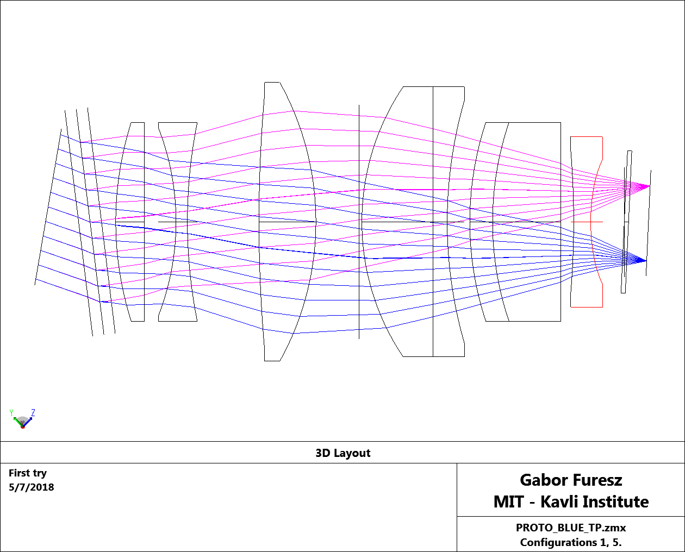

Zemax data
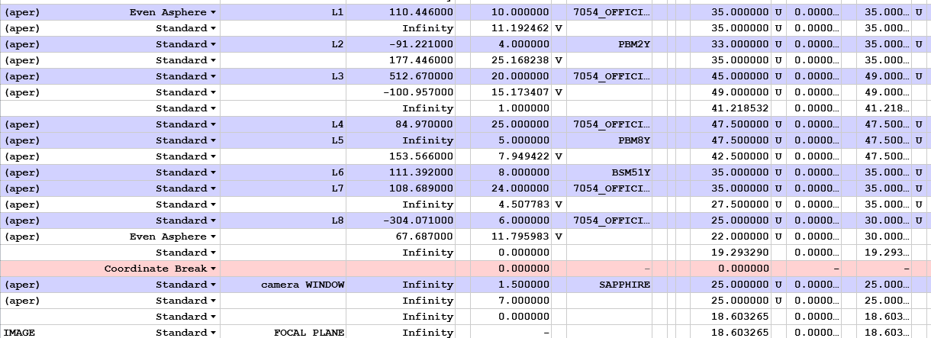

ASP L1
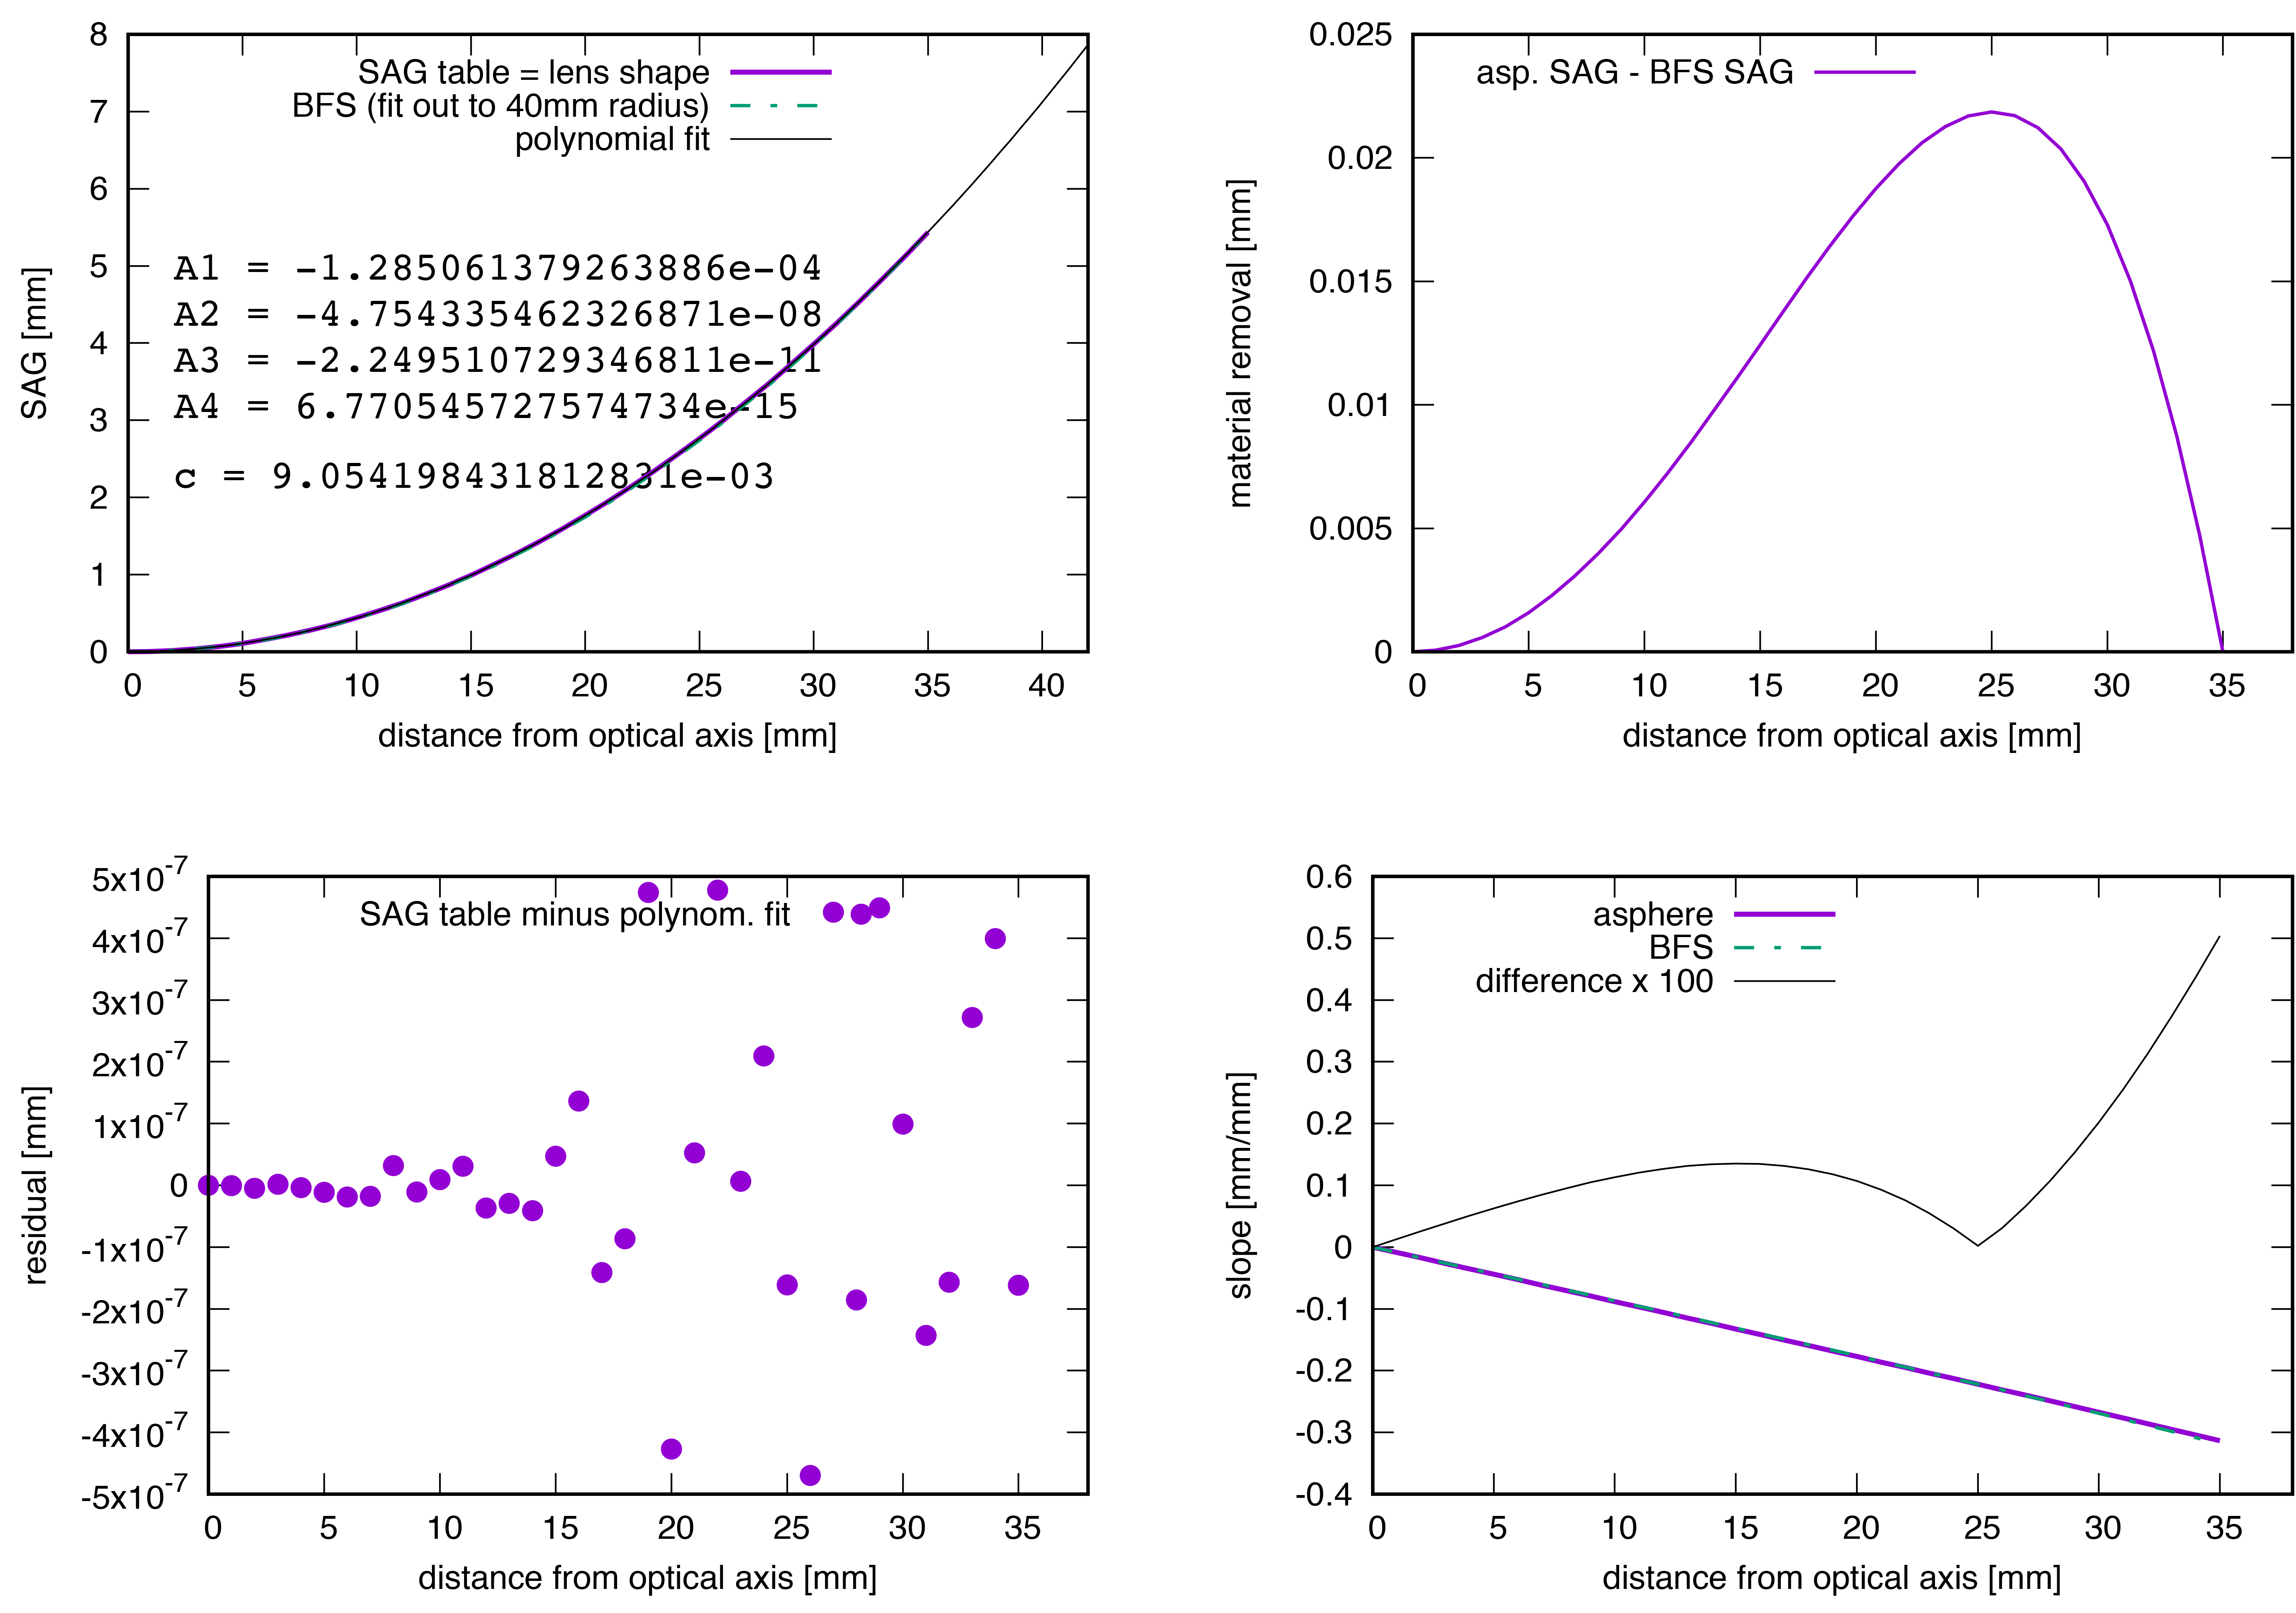

ASP L8
